(RQ2)1.Application_Fields
Application Field | Total_Count | Percentage | Focus_on_(only) | Percentage
Building automation (e.g. HVAC) | 1 | 0.7 | 0 | 0.0
(Unmanned) aerial systems | 7 | 5.1 | 1 | 0.8
Irrigation and water supply | 5 | 3.6 | 1 | 0.8
Power grid: distribution | 7 | 5.1 | 4 | 3.4
(Unmanned) ground vehicles | 6 | 4.3 | 1 | 0.8
Power grid: generation | 11 | 8.0 | 3 | 2.5 |  | 81.2 | 41.3
Nonlinear dynamical systems | 10 | 7.2 | 1 | 0.8 |  | 44.2 | 50.0
Power grid: electricity market | 14 | 10.1 | 10 | 8.5
Linear dynamical systems | 61 | 44.2 | 37 | 31.4
Power grid: transmission | 61 | 44.2 | 47 | 39.8
Total | 157 | 132.6 | 105 | 89.0

Power grid only (without elctricity market) | 69 | 50.0 | 59 | 42.8
Power grid only (with electricity market) | 79 | 57.2 | 73 | 52.9 | Power grid (exclusive) | 64 | 46.4
 |  |  |  |  | Power grid (mixed) | 9 | 6.5

Application Field | Specific focus | Percentage |  | Application Field | Total_Count | Percentage
Power grid only (with electricity market) | 73 | 52.9 |  | Building automation (e.g. HVAC) | 1 | 0.7 |  | Application Field | Year of the first appearance -> | 2006 | 2007 | 2008 | 2009 | 2010 | 2011 | 2012 | 2013 | 2014 | 2015
Generic linear dynamical systems | 37 | 26.8 |  | Generic dynamical systems | 4 | 2.9 |  | Building automation (e.g. HVAC) | 0 | 0 | 0 | 0 | 0 | 0 | 0 | 1 | 0 | 0
Other | 28 | 20.3 |  | Linear dynamical systems in power grids | 5 | 3.6 | See cell W50 | Generic dynamical systems | 0 | 0 | 0 | 0 | 0 | 1 | 0 | 2 | 1 | 0
 | 138 |  |  | (Unmanned) aerial systems | 7 | 5.1 |  | Linear dynamical systems in power grids | 0 | 0 | 0 | 0 | 0 | 1 | 0 | 0 | 2 | 1
 |  |  |  | Irrigation and water supply | 5 | 3.6 |  | (Unmanned) aerial systems | 0 | 0 | 0 | 0 | 0 | 0 | 1 | 2 | 1 | 3
 |  |  |  | (Unmanned) ground vehicles | 6 | 4.3 |  | Irrigation and water supply | 0 | 0 | 0 | 0 | 1 | 2 | 2 | 0 | 0 | 0
 |  |  |  |  | 28 | 19.6 |  | (Unmanned) ground vehicles | 0 | 0 | 0 | 0 | 0 | 0 | 1 | 0 | 4 | 1

 |  |  |  | Application Field | Total_Count | Percentage |  |  |  |  |  |  |  |  |  |  |  |  | Note that we have +1 in formula due to S039 which has both linear and nonlinear models (i.e. generic dynamical system model) in power grids. So, it's merged within this category
 |  |  |  | Power generation | 3 | 2.5
 |  |  |  | Power distribution | 4 | 3.4
 |  |  |  | Electricity market | 10 | 8.5
 |  |  |  | Power transmission | 47 | 39.8
 |  |  |  | Any combination of the following | 9 | 6.5
 |  |  |  |  | 73

(RQ2)2.Point_of_view
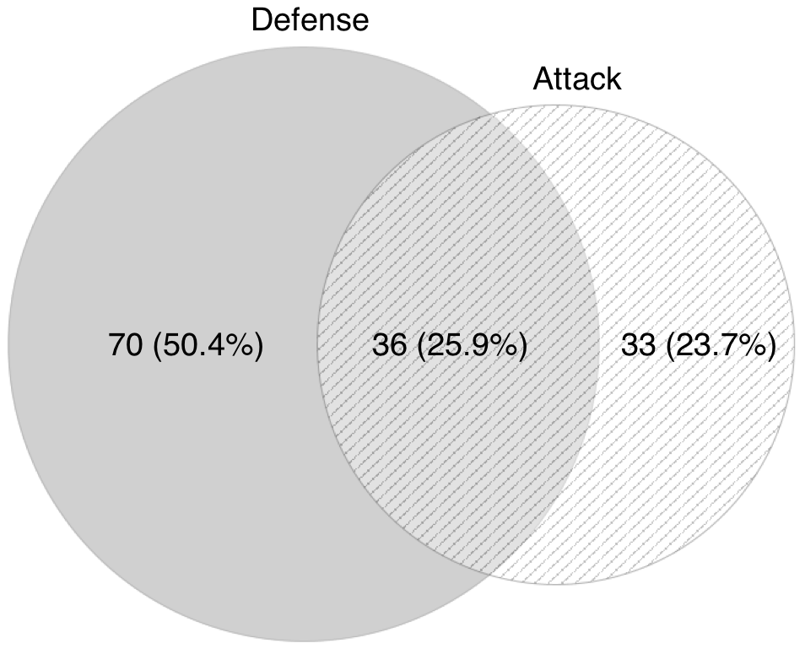
Point of view | Count | Percentage
Attacker | 33 | 23.9
Defender | 69 | 50.0
Both | 36 | 26.1
 | 138 | 100.0
 | 105 | 76.1

(RQ2)3.Security_attributes
Security Attribute | Count | Percentage | Only | Percentage
Availability (A) | 37 | 26.8 | 9 | 6.5
Integrity (I) | 124 | 89.9 | 87 | 63.0
Confidentiality (C) | 29 | 21.0 | 3 | 2.2
AI | 26 | 18.8 | 13 | 9.4
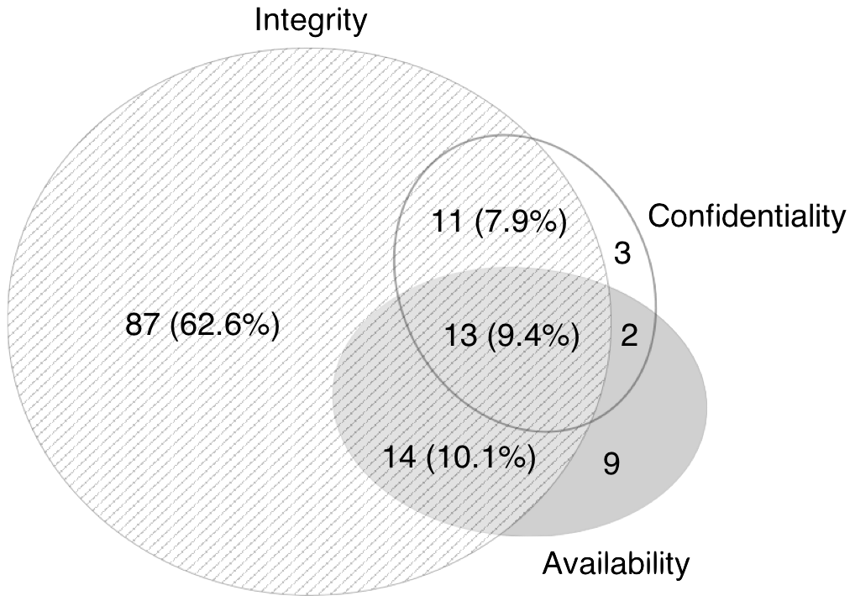
AC | 15 | 10.9 | 2 | 1.4
IC | 24 | 17.4 | 11 | 8.0
AIC | 13 | 9.4 | 13 | 9.4
 |  |  | 138 | 100.0
AI only | 13 | 9.42
AC only | 2 | 1.45
IC only | 11 | 7.97

I |  | 124 | 89.86

(RQ2)4.System_components
System Component | Count (Total) | Percentage | Count (Only) | Percentage
Plant | 6 | 4.3 | 2 | 1.4 | Sensor & Actuators | 32 | 23.2 | 17
Controllers | 17 | 12.3 | 4 | 2.9
Network | 35 | 25.4 | 5 | 3.6
Actuators | 38 | 27.5 | 5 | 3.6
Sensors | 115 | 83.3 | 69 | 50.0

(RQ2)5.Plant_model
Plant model | Count (Total) | Percentage | Count (Alone) | Percentage | AC-DC |  | AC-Swing | DC-Swing
Swing equations-based | 10 | 7.2 | 2 | 1.45
Nonlinear dynamical system | 15 | 10.9 | 3 | 2.17
Linear time-invariant (LTI) | 67 | 48.6 | 51 | 36.96
DC approximation of power flow | 58 | 42.0 | 48 | 34.78 | 8 | 5.8
AC power flow | 18 | 13.0 | 9 | 6.52 | 8 |  | 0 | 1
 | 168 |  | 113 | 81.88 |  |  |  |  | AC: | Year first | Count | Year pub. | Count
 |  |  |  |  |  |  |  |  |  | 2006 | 0 | 2006 | 0
 |  |  |  |  |  |  |  |  |  | 2007 | 0 | 2007 | 0
 |  |  |  |  |  |  |  |  |  | 2008 | 0 | 2008 | 0
 |  |  |  |  |  |  |  |  |  | 2009 | 0 | 2009 | 0
 |  |  |  |  |  |  |  |  |  | 2010 | 1 | 2010 | 1
 |  |  |  |  |  |  |  |  |  | 2011 | 0 | 2011 | 0
 |  |  |  |  |  |  |  |  |  | 2012 | 3 | 2012 | 3
 |  |  |  |  |  |  |  |  |  | 2013 | 5 | 2013 | 3
 |  |  |  |  |  |  |  |  |  | 2014 | 3 | 2014 | 5
 |  |  |  |  |  |  |  |  |  | 2015 | 6 | 2015 | 6

5.8

 |  |  |  |  |  |  |  |  | DC: | Year first | Count | Year pub. | Count
 |  |  |  |  |  |  |  |  |  | 2006 | 0 | 2006 | 0
 |  |  |  |  |  |  |  |  |  | 2007 | 0 | 2007 | 0
 |  |  |  |  |  |  |  |  |  | 2008 | 0 | 2008 | 0
 |  |  |  |  |  |  |  |  |  | 2009 | 1 | 2009 | 0
 |  |  |  |  |  |  |  |  |  | 2010 | 5 | 2010 | 2
 |  |  |  |  |  |  |  |  |  | 2011 | 11 | 2011 | 9
 |  |  |  |  |  |  |  |  |  | 2012 | 9 | 2012 | 6
 |  |  |  |  |  |  |  |  |  | 2013 | 7 | 2013 | 8
 |  |  |  |  |  |  |  |  |  | 2014 | 11 | 2014 | 16
 |  |  |  |  |  |  |  |  |  | 2015 | 12 | 2015 | 17

(RQ2)6.Process_noise
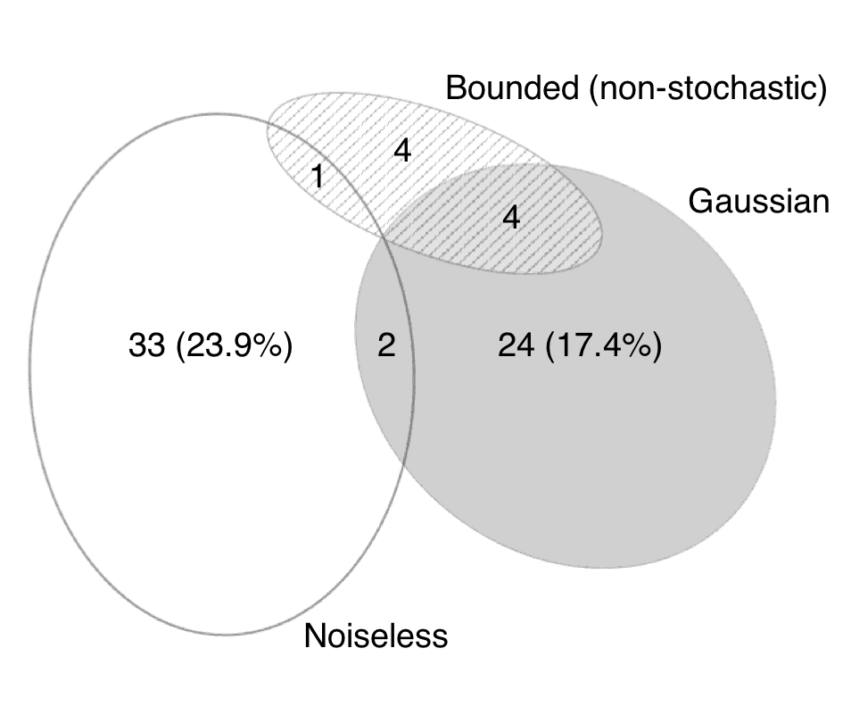
Process noise | Count | Percentage | Count | Percentage
Gaussian | 30 | 21.7 | 24 | 17.4
bounded (non-stochastic) | 9 | 6.5 | 4 | 2.9
noiseless | 36 | 26.1 | 33 | 23.9
not applicable | 70 | 50.7 | 70
 | 145

Gaussian - bounded |  |  | 4 | 2.9
Gaussian - noiseless |  |  | 2 | 1.4
Bounded - noiseless |  |  | 1 | 0.7

 |  |  | 68.0 | 49.3

bounded (non-stochastic):
 | 2006 | 0
 | 2007 | 0
 | 2008 | 0
 | 2009 | 0
 | 2010 | 1
 | 2011 | 0
 | 2012 | 0
 | 2013 | 1
 | 2014 | 0
 | 2015 | 7

(RQ2)7.Measurement_noise
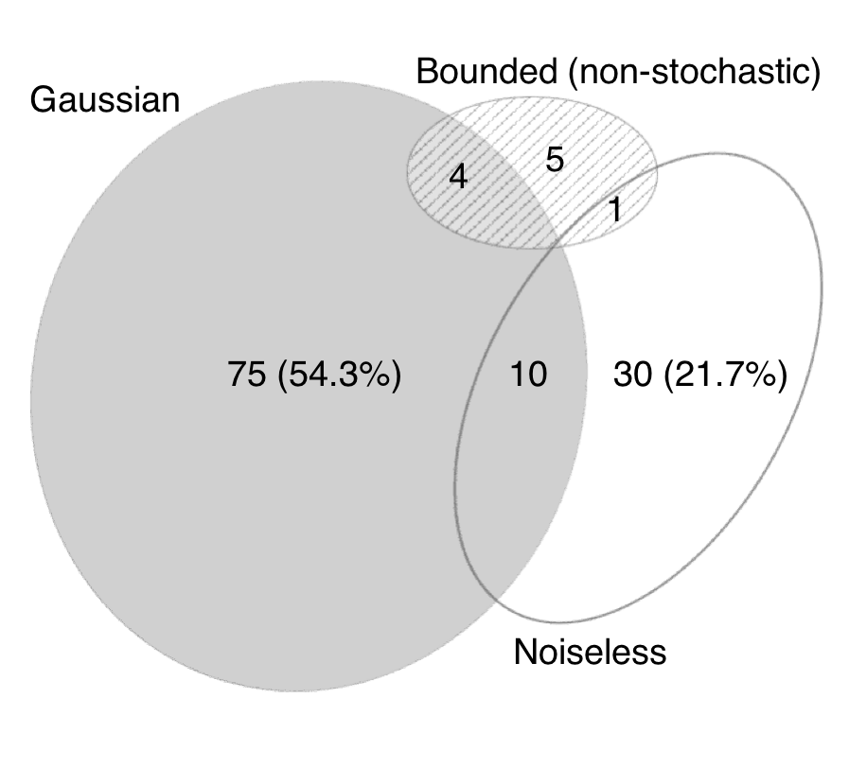
Process noise | Count | Percentage | Count only | Percentage
Gaussian | 89 | 64.5 | 75 | 54.3
bounded (non-stochastic) | 10 | 7.2 | 5 | 3.6
noiseless | 41 | 29.7 | 30 | 21.7
not applicable | 13 | 9.4 | 13
 | 153
 |  |  | 125 | 90.6
Gaussian - bounded | 4 | 2.9
Gaussian - noiseless | 10 | 7.2
Bounded - noiseless | 1 | 0.7

bounded (non-stochastic):
 | 2006 | 0
 | 2007 | 0
 | 2008 | 0
 | 2009 | 0
 | 2010 | 0
 | 2011 | 1
 | 2012 | 0
 | 2013 | 1
 | 2014 | 0
 | 2015 | 8

(RQ2)8.State_estimator
State estimator | Count | Percentage
Novel | 16 | 11.6
Least trimmed squares (LTS) | 1 | 0.7
H∞ filter | 2 | 1.4
(Extended) Luenberger observer | 13 | 9.4
(Extended) Kalman filter | 25 | 18.1
Weighted least-square (WLS) | 59 | 42.8
Not available | 39 | 28.3 | 71.7 | 99
 | 155

(RQ2)9.Anomaly_detector
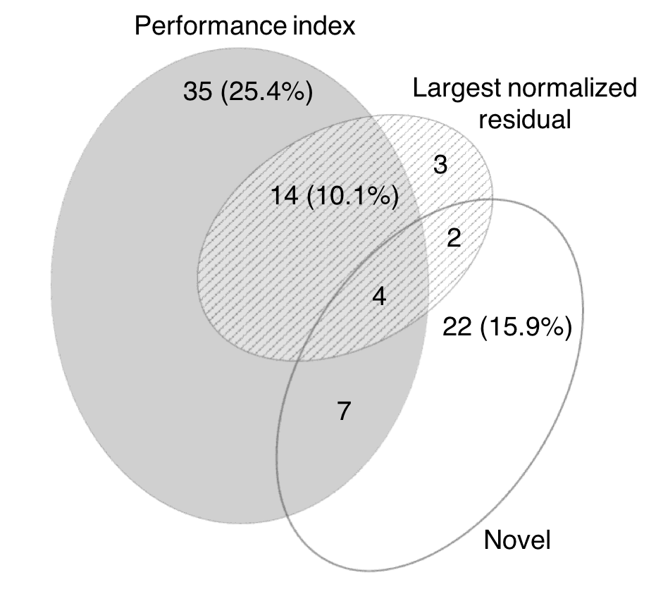
Anomaly detector | Count | Percentage | Only | Percentage
Arbitrary | 9 | 6.5 | 6 | 4.3
Performance index test | 62 | 44.9 | 36 | 26.1
Largest normalised residual test | 23 | 16.7 | 3 | 2.2
Novel | 33 | 23.9 | 21 | 15.2
Not available | 43 | 31.2 | 43 | 31.2
 | 170 |  | 109 | 79.0
 |  |  | 26 | 135 | 138
PeformanceIndex + LNR | 14 | 10.1
Novel + PeformanceIndex | 6 | 4.3
Novel + LNR | 2 | 1.4
Novel+PerformanceIndex+LNR | 4 | 2.9

 |  |  |  |  | 20.3
 | 103 | 74.64

 |  |  |  |  |  |  | Notes.

 |  |  |  |  |  | 21.0

(RQ2)10.Controller
Controller | Count | Percentage
Event-triggered & self-triggered | 5 | 3.6
Linear-quadratic regulator | 13 | 9.4
Linear time-invariant feedback | 16 | 11.6
H∞ (minimax) | 5 | 3.6
Proportional-integral-derivative | 7 | 5.1
Sliding mode | 3 | 2.2
Other | 3 | 2.2
Novel | 12 | 8.7
Not available | 91 | 65.9 | 91
 | 155 |  |  | 47

(RQ2)11.Communication_aspects
Communication aspects | Count | Percentage | Only | Percentage
Error control coding | 6 | 4.3 | 3 | 2.17
Transmission Scheduling | 9 | 6.5 | 5 | 3.62
Routing | 3 | 2.2 | 1 | 0.72
Time-varying sampling | 3 | 2.2 | 1 | 0.72
Variable Latency | 5 | 3.6 | 2 | 1.45
Packet losses and disorder | 2 | 1.4 | 0 | 0.00
Limited bandwidth | 2 | 1.4 | 0 | 0.00
Synchronisation errors | 1 | 0.7 | 0 | 0.00
Not considered | 119 | 86.2 | 12 |  | 7 | 5.1
Check not considered | 119 |  |  |  |  | 19

(RQ2)12.Time-scale_model
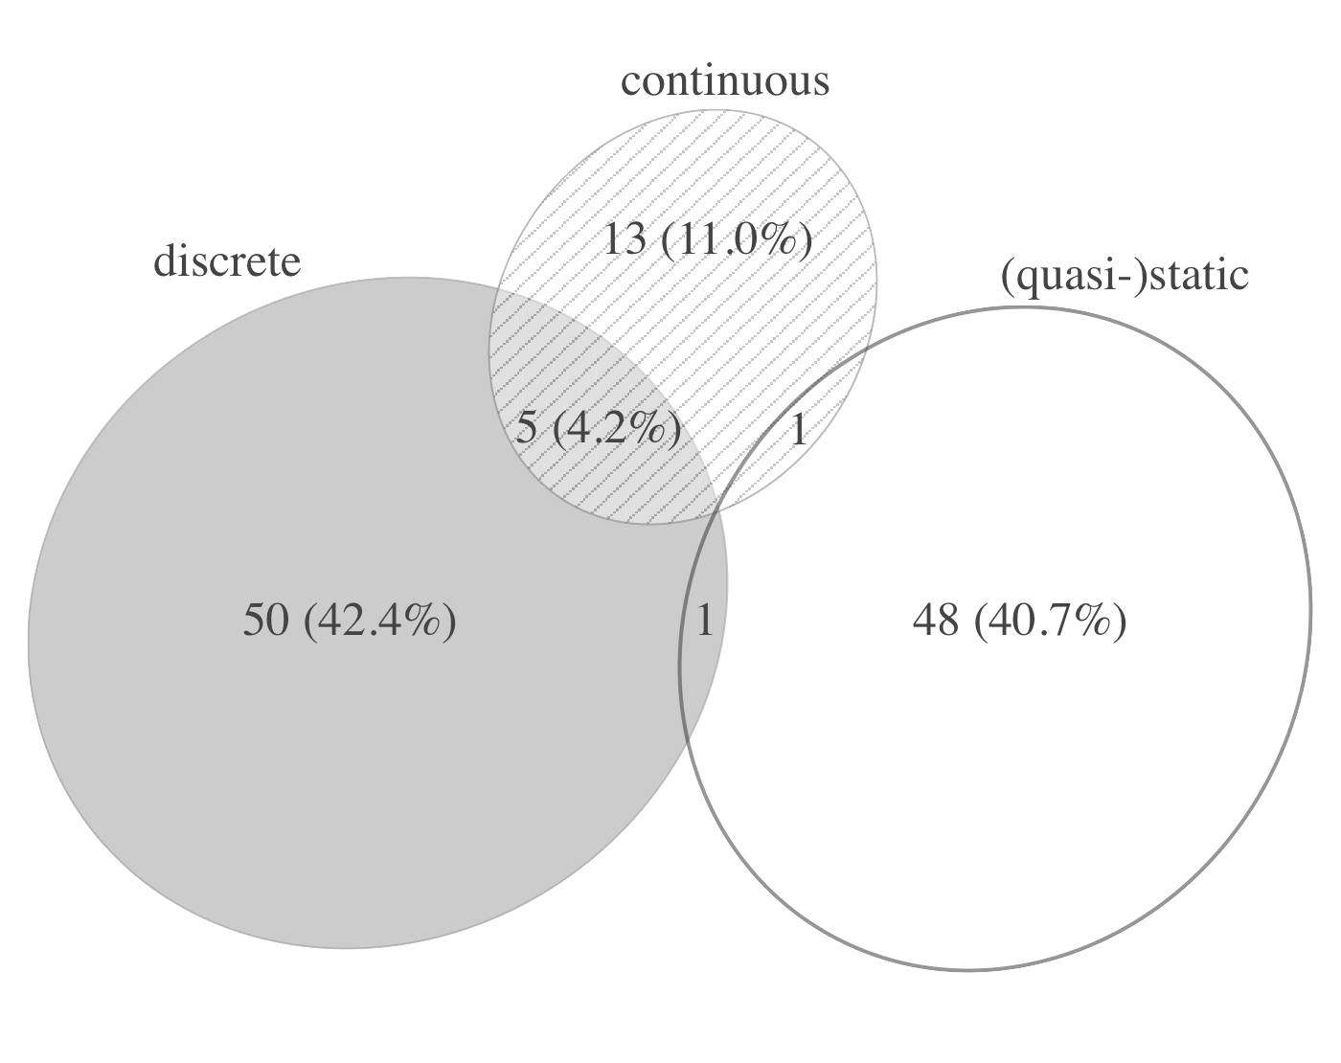
Time-scale Model | Count | Percentage
Continuous | 20 | 14.5
Discrete | 58 | 42.0
(Quasi-)static | 52 | 37.7

Continuous and discrete | 5 | 3.6
Continuous and quasi-static | 1 | 0.7
Discrete and quasi-static | 2 | 1.4
Continuous, discrete and quasi-static | 0 | 0.0

 | 138

(RQ2)13.Attack_Name
Attack Name | Count | Percentage | Only | Percentage
Bias injection attack | 1 | 0.7 | 0 | 0.0
Covert attack | 8 | 5.8 | 5 | 3.6
Data Framing attack | 3 | 2.2 | 2 | 1.4
Denial of Service (DoS) attack | 23 | 16.5 | 10 | 7.2
Eavesdropping | 6 | 4.3 | 3 | 2.2
False Data Injection attack | 58 | 41.7 | 48 | 34.8
Generic deception attack | 42 | 30.2 | 26 | 18.8
Leverage point attack | 2 | 1.4 | 2 | 1.4
Load altering attack | 3 | 2.2 | 2 | 1.4
Load redistribution attack | 3 | 2.2 | 3 | 2.2
Packet scheduling attack | 1 | 0.7 | 1 | 0.7
Reply attack | 8 | 5.8 | 2 | 1.4
Switching attack | 2 | 1.4 | 2 | 1.4
Topology poisoning attack | 5 | 3.6 | 3 | 2.2
Zero dynamics attack | 5 | 3.6 | 1 | 0.7
Attack at physical layer | 4 | 2.9 | 2 | 1.4
 | 174 |  | 112

 |  |  | 109 | 79.0

(RQ2)15.Plant_model_attacker
Value | Count | Percentage
Same model | 103 | 74.64 | 94 | 9
Different model | 15 | 10.87
Absent | 20 | 14.49
 | 138

(RQ2)15.Defence_scheme
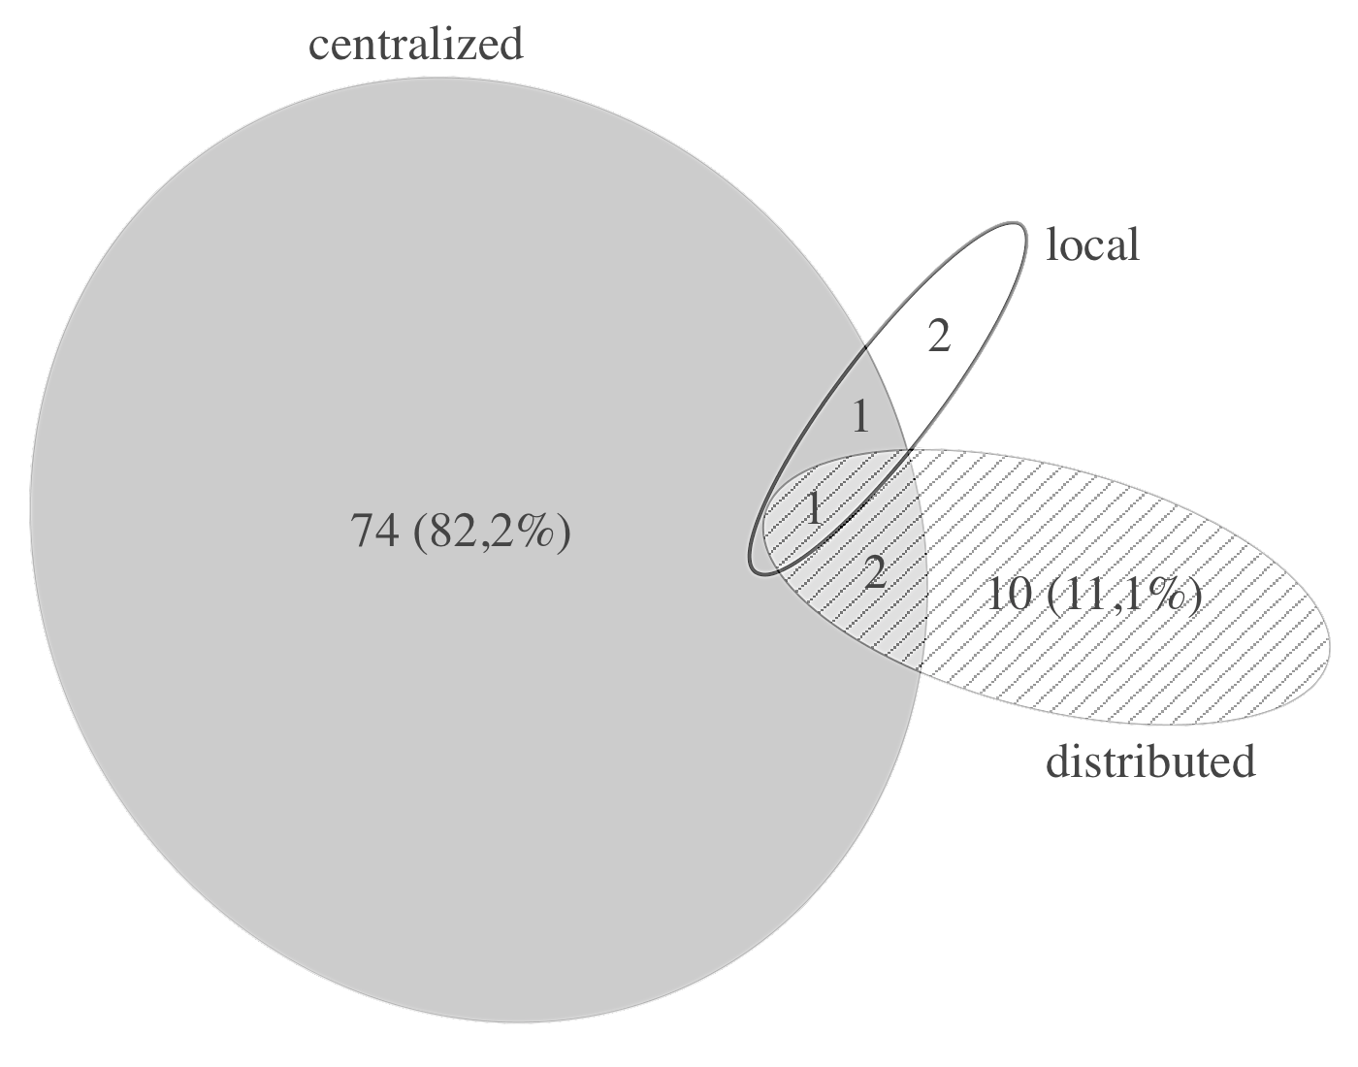
Attribute | Count(Only) | Percentage | Percentage (relative)
Centralized | 57 | 41.3 | 73.1
Distributed | 8 | 5.8 | 10.3
Local only | 6 | 4.3 | 7.7
C-D | 4 | 2.9 | 5.1
C-L | 1 | 0.7 | 1.3
D-L | 1 | 0.7 | 1.3
C-D-L | 1 | 0.7 | 1.3
 | 78 | 56.52 | 100.0
Not available | 60
 | 60 |  | 78

(RQ2)16.Defence_strategy
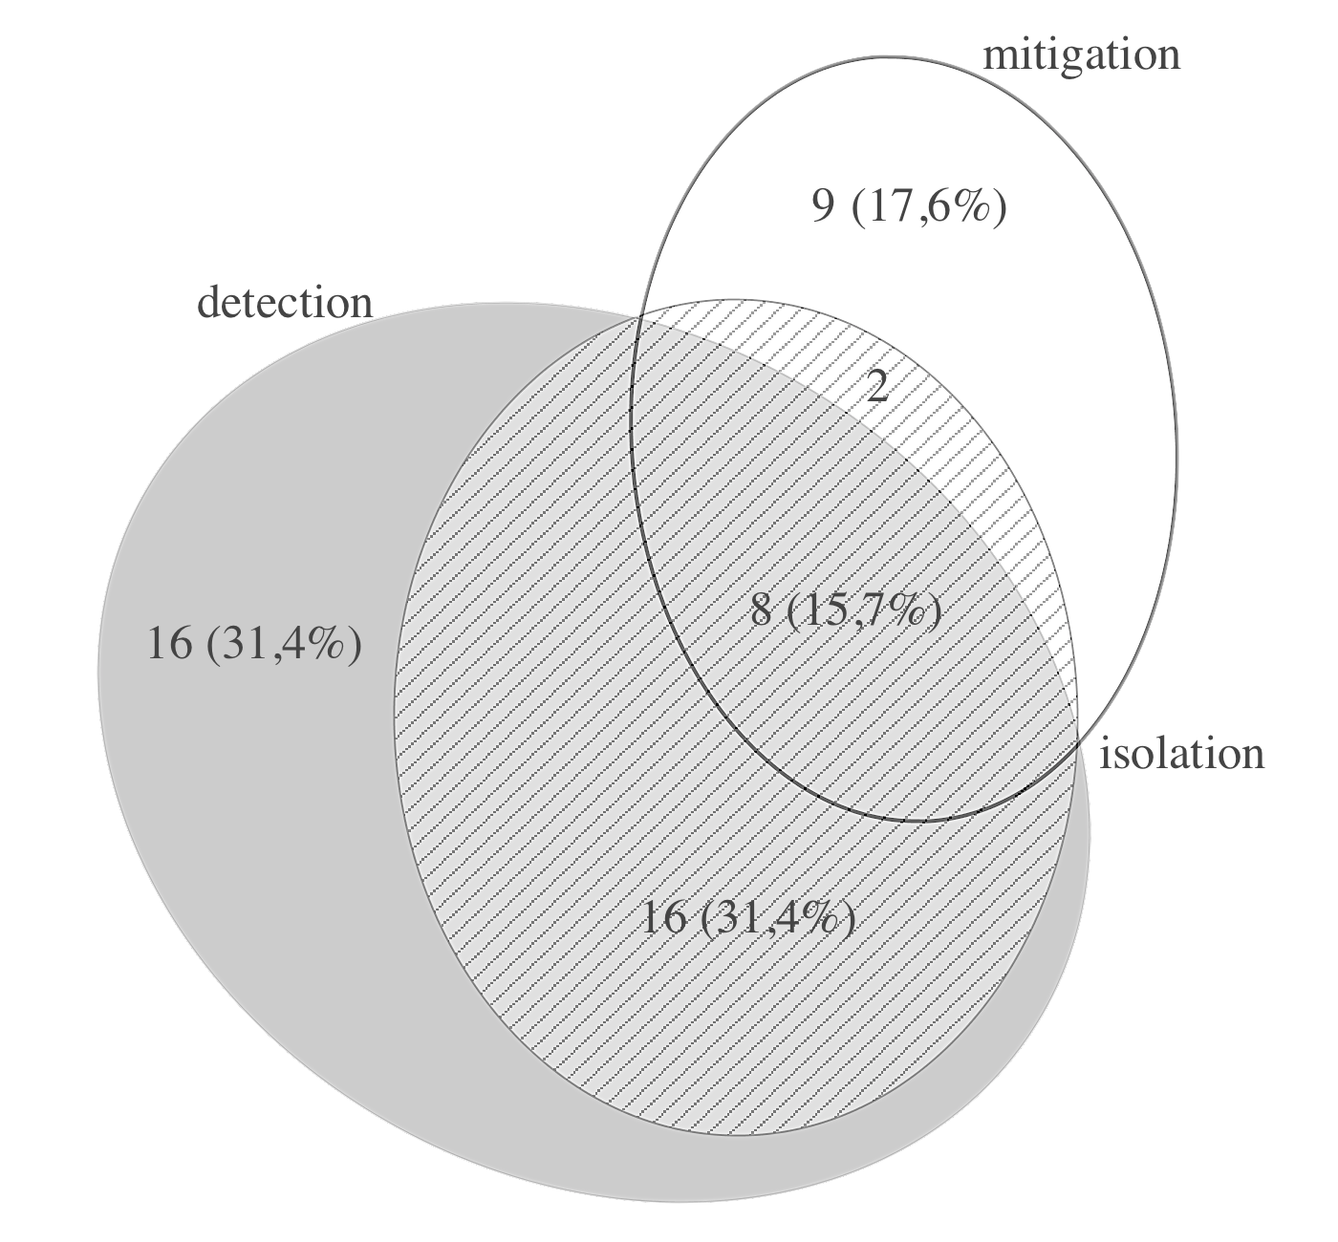
Attribute | Count Total | Percentage
Prevention | 50 | 36.23
Detection | 49 | 35.51 |  |  | 37.68
Isolation | 29 | 21.01
Mitigation | 27 | 19.57
Not available | 34 | 24.64 | 34
 | 155 |  | 104

Offline approach only | 38 | 27.5 | 36.5 |  | 31.16
Online approach only | 54 | 39.1 | 51.9 |  | 36.96
Both approaches | 12 | 8.7 | 11.5
 | 104 |  | 100.0

detection only | 12 | 8.70 | 18 | 13.0 | 27.3
isolation only | 1 | 0.72 | 1 | 0.7 | 1.5
mitigation only | 13 | 9.42 | 14 | 10.1 | 21.2
detection-isolation | 16 | 11.59 | 20 | 14.5 | 30.3
detection-mitigation | 5 | 3.62 | 5 | 3.6 | 7.6
isolation-mitigation | 1 | 0.72 | 2 | 1.4 | 3.0
All 3 | 6 | 4.35 | 6 | 4.3 | 9.1
 | 54 | 39.13 | 66 | 47.8 | 100.0

prevention_defenses: | see Tab Primary_studies_prevention
SE and control | 1
control | 9
state estimation (SE) | 9
protection-based | 20
security metrics | 9
 | 48

prevention | 50
prevention only | 38

(RQ2)17.Theoretical
Theoretical Foundation | Count | Percentage
Control theory | 138 | 100.0
Zero-sum (differential) game | 8 | 5.8
Nonzero-sum (differential) game | 3 | 2.2
Stackelberg game | 1 | 0.7
Nonlinerar programming | 6 | 4.3
Integer programming | 11 | 8.0
Convex optimization | 21 | 15.2
Semidefinite programming | 3 | 2.2
Quadratic programming | 7 | 5.1
Linear programming | 16 | 11.6
Dynamic programming | 11 | 8.0
Machine learning and statistics | 7 | 5.1
Formal methods | 3 | 2.2
Information theory | 12 | 8.7
Graph theory | 38 | 27.5
Computational complexity theory | 16 | 11.6

 | 1

(RQ3)1.Validation_method
Research type | Count | Percentage | Count (alone) | Percentage (alone)
Solution proposal | 47 | 34.1
Validation research | 83 | 60.1
Evaluation research | 8 | 5.8
 | 138

Sound argument | 63 |  | 0
Mathematical proof | 75 | 54.3 | 0
 | 138

Math proof plus sim ex | 6
Math proof plus ex | 0
Math proof plus plus simulation case study | 1
Math proof plus plus hardware case study | 0
Sound arg. plus sim ex | 4
Sound arg. plus ex | 0
Sound arg. plus simulation case study | 0
Sound arg. plus hardware case study | 0
Sound arg. plus simulation experiment | 0
Sound arg. plus hardware experiment | 0
Math proof plus simulation experiment | 0
Math proof plus hardware experiment | 0
 | 0 | 8

Experimental_Testbed
Experimental Testbed | Count | Percentage
Parrot AR.Drone 2.0 quadricopter | 1
Black I Robotics LandShark robot | 3
Gignac irrigation canal network | 1
Micro grid experimental testbed | 1
Quadruple-tank process | 1
Other | 1
Not available | 130
 | 138

(RQ3)2.Simulation_Model
Value | Count | Percentage | First column, AC=0 | First column, AC=1
Same model | 84 | 60.9 | 72 | 12 | <-- Since the formula was too long, it was splitted in 2
Different model | 14 | 10.1
Absent | 40 | 29.0
 | 138

 |  | 0

(RQ3)3.Simulation_Test_System
Simulation Test System | Count | Percentage
IEEE 4-bus (case4gs) | 3 |  | WSCC 9 bus | 4
PJM 5-bus system (case5) | 3
IEEE 9-bus (case9) | 9
IEEE 14-bus (case14) | 40
IEEE 24-bus RTS (case24_ieee_rts) | 9
IEEE 30-bus (case30) | 18
39-bus New England (case39) | 11
IEEE 57-bus (case57) | 14
IEEE 138-bus (case138) | 30
IEEE 300-bus (case300) | 13
Polish system (2383|...|3375)-bus | 7
33-bus | 69-bus radial distribution | 1
Two-area Kundur system | 3
Batch reactor process | 2
Multipool canal system | 2
PHANToM Premium 1.5A | 1
Rotorcraft in a cruise flight | 1
Tennessee Eastman challenge | 3
Other | 17 | 22
Not available | 40 | 40
 | 227

 | 40
 | 98 | 71.0

(RQ3)5.Repeatability
Repeatability | Count | Percentage
Low | 17 | 12.32
High | 86 | 62.32
Not-applicable | 35 | 25.36
 | 138

